GUI CGI SPEC
Xmind
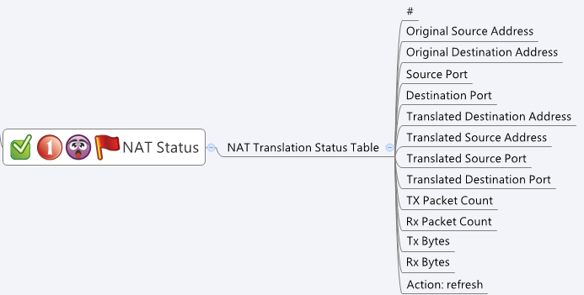

Behavior
# Auto refresh every 10 sec
# When press "Refresh" button, GET cgi again for new data
# Limitations: Max Nat Status Table Size = 1000
[UI Display Name] | [CGI Name] | [JSON Name] | [Description]
NAT Translation Status Table:
# | natStatus.cgi | guiNatStatusT.index | Int, sequence
Original Source Address | natStatus.cgi | guiNatStatusT.originalSrcAddr | IPv4 Address
Original Destination Address | natStatus.cgi | guiNatStatusT.originalDstAddr | IPv4 Address
Source Port | natStatus.cgi | guiNatStatusT.originalSrcPort | Int
Destination Port | natStatus.cgi | guiNatStatusT.originalDstPort | Int
Translated Source Address | natStatus.cgi | guiNatStatusT.translatedSrcAddr | IPv4 Address
Translated Destination Address | natStatus.cgi | guiNatStatusT.translatedDstAddr | IPv4 Address
Translated Source Port | natStatus.cgi | guiNatStatusT.translatedSrcPort | Int
Translated Destination Port | natStatus.cgi | guiNatStatusT.translatedDstPort | Int
TX Packet Count | natStatus.cgi | guiNatStatusT.txPkt | Int
RX Packet Count | natStatus.cgi | guiNatStatusT.rxPkt | Int
TX Byte | natStatus.cgi | guiNatStatusT.txByte | Int
RX Byte | natStatus.cgi | guiNatStatusT.rxByte | Int

JSON String
natStatus.cgi
## GET ##
{
"guiNatStatusT": [
{
"index": 1,
"originalSrcAddr": "192.168.2.100",
"originalDstAddr": "8.8.8.8",
"originalSrcPort": 7328,
"originalDstPort": 80,
"translatedSrcAddr": "10.9.8.7",
"translatedDstAddr": "8.8.8.8",
"translatedSrcPort": 7328,
"translatedDstPort": 80,
"txPkt": 100,
"rxPkt": 200,
"txByte": 3000,
"rxByte": 4000
},
{
"index": 2,
"originalSrcAddr": "192.168.2.101",
"originalDstAddr": "1.2.3.4",
"originalSrcPort": 7321,
"originalDstPort": 443,
"translatedSrcAddr": "10.9.8.7",
"translatedDstAddr": "1.2.3.4",
"translatedSrcPort": 7338,
"translatedDstPort": 443,
"txPkt": 100,
"rxPkt": 200,
"txByte": 3000,
"rxByte": 4000
}
]
}

